Sheet1
 |  | If empty list : display overlay help
bootstrap
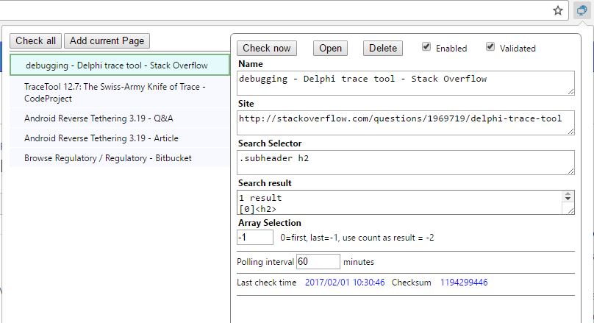
Import/export button

Click to add current page to scanner list
Array selection : change look : first, last,use cout, specific index
 | O first element
 | O Last element
 | O use count as result
 | O Specific index

Search result
 | O Inner html
 | O Text without tags
 | O outerHTML

bower : tracetool.js

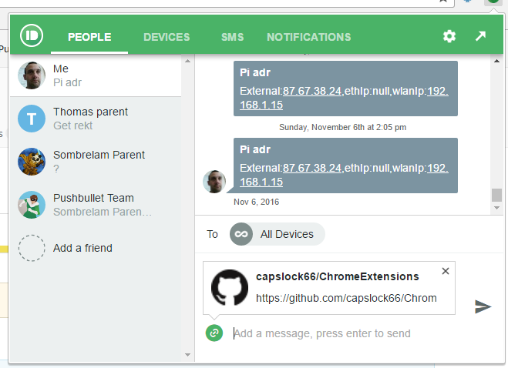
http://www.w3schools.com/bootstrap/bootstrap_tooltip.asp
http://www.w3schools.com/css/css_tooltip.asp
http://www.w3schools.com/code/tryit.asp?filename=FCAJCISBK1RZ
http://www.w3schools.com/bootstrap/bootstrap_ref_js_tooltip.asp
http://www.nickstakenburg.com/projects/prototip2/
http://www.cssportal.com/css-tooltip-generator/

